Clean Sheet
Variance, risk

Asset A |  | Asset A | Decimal | % | Covariances |  | Cov(A,B) | -10946.8333 |  | Find COV from COR |  | Find COR from COV
X1 | 632 | Mean(R) | 419.5 | 41950.00% |  |  | Cov(A,C) | #DIV/0! |  | Cor(x,y) | -1 | 0.95053763837
X2 | 349 | Variance | 24717.666667 | 2471766.67% |  |  | Cov(B,C) | #DIV/0! |  | Risk(x) | 0.16 | 7.39
X3 | 265 | Std/Risk | 157.21853156 | 15721.85% |  |  |  |  |  | Risk(y) | 0.28 | 14.71
X4 | 432 | GeoMean | 388.15068298 | 38815.07% | Covariance Matrix |  | A | B | C | Cov(x,y) | -0.0448 | 103.3300
X5 |  |  | 398.62821186 | //IGNORE | A |  | 24717.666667 | -10946.8333 | #DIV/0! |  | Value used for P Var
 |  |  |  |  | B |  | -10946.8333 | 30562.916667 | #DIV/0!
Asset B |  | Asset B | Decimal | % | C |  | #DIV/0! | #DIV/0! | #DIV/0! |  |  |  | Portfolio std
X1 | 234 | Mean(R) | 290.75 | 29075.00% |  |  |  |  |  | Portfolio Variance |  | 0.00000 | 0 | 0.00% | w/ Formula 2 assets
X2 | 521 | Variance | 30562.916667 | 3056291.67% | Portfolio Variance |  | #VALUE! | #VALUE! |  | Portfolio Variance |  | 0.00000 | 0 | 0.00% | w/ Formula 3 assets
X3 | 305 | Std/Risk | 174.82252906 | 17482.25% | Std Deviance |  | #VALUE! | #VALUE!
X4 | 103 | GeoMean | 333.82658285 | 33382.66% | ExpReturn Port. |  | #DIV/0! | #DIV/0! |  |  | Weights | Std/Risk | Asset 1 | Asset 2 | Asset 3
X5 |  |  |  |  |  |  |  |  |  | Asset 1 | 1.40 | 0
 |  |  |  |  |  |  |  |  |  | Asset 2 | -0.40 | 0
Asset C |  | Asset C | Decimal | % |  |  |  |  |  | Asset 3 | 0.00 | 0
X1 |  | Expec(R) | #DIV/0! | #DIV/0! |  |  |  |  |  | Total = 1 | 1.00
X2 |  | Variance | #DIV/0! | #DIV/0!
X3 |  | Std/Risk | #DIV/0! | #DIV/0!
X4 |  | GeoMean | 0 | 0.00%
X5

Weights

 | Matrix 2 | #VALUE! |  |  | Start V | 120000
 |  |  |  |  | End value | 132000
 |  |  |  |  | Return of asset | 0.1 | 10%
CAPM

Calculate the Beta
cor(i,m) | -0.1000
risk(i) | 0.0000 | Cov(i,m) | 0.0000 |  | Beta w/ cor | 0.0000
risk(m) | 0.2000 | var to risk | 0.04 | 0.2

Cov(i,m) | 1.0000 | Variance(m) | 1.0000 |  | Beta w/ cov | 1.0000
risk(m) | 1.0000

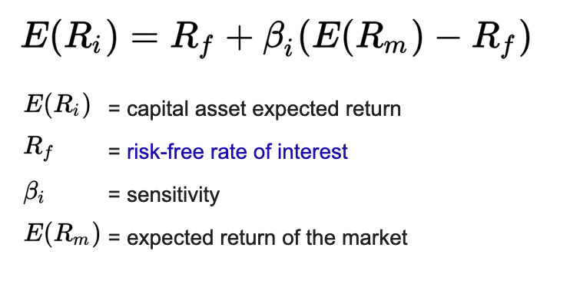
Calculate CAPM Er / Rate of return of Asset
Rf | 0.05 | E(Rp) | 0.1 | 10.00% | < x -> undervalued (buy) |  |  | E(rAsset)
B(i) | 1 |  |  |  | > x -> overvalued (sell)
E(Rm) | 0.1

Portfolio Beta | Weights | Betas |  |  | Risk Premium | 0.050
A | 0.17 | 1.2 |  |  | Beta | 1.000
B | 0.33 | 1.8 |  |  | Rf | 0.050
C | 0.50 | 0.7 |  |  | Rm | 0.100
D | 0.00 | 0
Total | 1.00 | 1.15

Risk Premium Calculation
Ri | 0.10 | Risk Premium | 0.05 |  | Ri | 0.10 |  | Risk Premium | 0.05
Rf | 0.05 |  |  |  | Rf | 0.05
Beta | 1 |  |  |  | Beta | 1
Rm | N/A |  |  |  | Rm | N/A

Portfolio Beta | Weights | ER Asset | Std
A | 1.40 | 0.11 | 0.15
B | -0.40 | 0.04 | 0
C |  | 0
D |  | 0
Total | 1.00 | 0.138 | 0.21 | only works with 1 risky and 1 risk-free asset / 3 asset variance available on top of the page
 |  | 13.80%

Find Asset Expected return with Portfolio Expected Return
 | Weights | ER Asset |  |  | Discover Beta Asset
A | 0.13 | 0.126 |  |  | E(ri | 0.231
B | 0.33 | 0.147 |  |  | Rf | 0.030
C | 0.20 | 0.1365 |  |  | Rm | 0.100
D | 0.33 | 0.2307 |  |  | Beta | 2.867
Total | 1.00 | 0.17 | Portfolio E r

